DS6
CenterPoint Energy Houston Electric
WP V-K-6 Former CEO Adjustment

Accelerated LTI Payout |  |  |  |  |  |  |  | Amount | % To CEHE | CEHE Amount | O&M % | 9302 | Capital % | 1070
Former CEO | Former CEO | Officer |  |  |  | Exec | 125309 | $11,697,691 | 46.94% | $5,490,467 | 78.08% | $4,286,980 | 21.92% | $1,203,486

LTI Retention Bonus and Regular LTI |  |  |  |  |  |  |  |  |  |  |  | 9302 |  | 1070
Former CEO | Former CEO | Officer |  |  |  | Exec | 125309 | $17,799,472 | 46.94% | $8,354,418 | 78.08% | $6,523,166 | 21.92% | $1,831,252

Salary & STI Including Payroll Burden
Former CEO | Former CEO | Officer |  | Salary | 9302 | Exec | 125001 | $1,500,000 | 32.10% | $481,454 | 68.06% | $327,674 | 31.94% | $153,780
Former CEO | Former CEO | Officer |  | STI | 9302 | Exec | 125001 | $3,836,250 | 32.10% | $1,231,319 | 68.06% | $838,027 | 31.94% | $393,292
Former CEO | Former CEO | Officer |  | Burden Benefits | 9260 | Exec | 125001 | $1,034,966 | 32.10% | $332,192 | 68.06% | $226,088 | 31.94% | $106,105
Former CEO | Former CEO | Officer |  | Burden WkComp | 9250 | Exec | 125001 | $10,032 | 32.10% | $3,220 | 68.06% | $2,192 | 31.94% | $1,028
Former CEO | Former CEO | Officer |  | Burden Taxes | 4081 | Exec | 125001 | $396,483 | 32.10% | $127,259 | 68.06% | $86,612 | 31.94% | $40,647
 |  |  |  |  |  |  |  | $6,777,731 |  | $2,175,445 |  | $1,480,592 |  | $694,853

 |  |  |  |  |  |  | Former CEO Total | $36,274,894 |  | $16,020,330 |  | $12,290,739 |  | $3,729,591

 |  |  |  |  |  |  | Former CEO Salary & STI & Burden |  |  |  |  |  |  | 1070
 |  |  |  |  |  |  | 9302 | $5,336,250 | 9302 | $1,712,773 | 9302 | $1,165,701 | 1070 | $547,072
 |  |  |  |  |  |  | 9260 | 1,034,966 | 9260 | 332,192 | 9260 | 226,088 | 1070 | 106,105
 |  |  |  |  |  |  | 9250 | 10,032 | 9250 | 3,220 | 9250 | 2,192 | 1070 | 1,028
 |  |  |  |  |  |  | 4081 | 396,483 | 4081 | 127,259 | 4081 | 86,612 | 1070 | 40,647
 |  |  |  |  |  |  |  | $6,777,731 |  | $2,175,445 |  | $1,480,592 |  | $694,853
 |  |  |  |  |  |  | Former CEO LTI
 |  |  |  |  |  |  | 9302 | $29,497,163 | 9302 | $13,844,885 | 9302 | $10,810,147 | 1070 | $3,034,738

 |  |  |  |  |  |  | Former CEO FERC Summary | Amount |  | CEHE Amount |  | CEHE O&M |  | CEHE Capital
 |  |  |  |  |  |  | 9302 | $34,833,413 | 9302 | $15,557,659 | 9302 | $11,975,848 | 1070 | $3,581,811
 |  |  | 11,697,691.31 | Accelerated LTI |  |  | 9260 | 1,034,966 | 9260 | 332,192 | 9260 | 226,088 | 1070 | 106,105
 |  |  | 17,799,471.94 | Other LTI |  |  | 9250 | 10,032 | 9250 | 3,220 | 9250 | 2,192 | 1070 | 1,028
 |  |  | 29,497,163.25 |  |  |  | 4081 | 396,483 | 4081 | 127,259 | 4081 | 86,612 | 1070 | 40,647
 |  |  |  |  |  |  | Total | $36,274,894 |  | $16,020,330 |  | $12,290,739 |  | $3,729,591
 |  |  | 8,959,271.75 | PSU Expense Other
 |  |  | 9,128,146.94 | PSU Enhanced Retirement Modification
 |  |  | 18,087,418.69

 |  |  | 2,486,462.26 | RSU Expense Other
 |  |  | 2,569,544.37 | RSU Enhanced Retirement Modification
 |  |  | 6,353,737.93 | Lesar Retention Incentive Grant Expense
 |  |  | 11,409,744.56

 |  |  | 29,497,163.25 | Total LTI in 2023

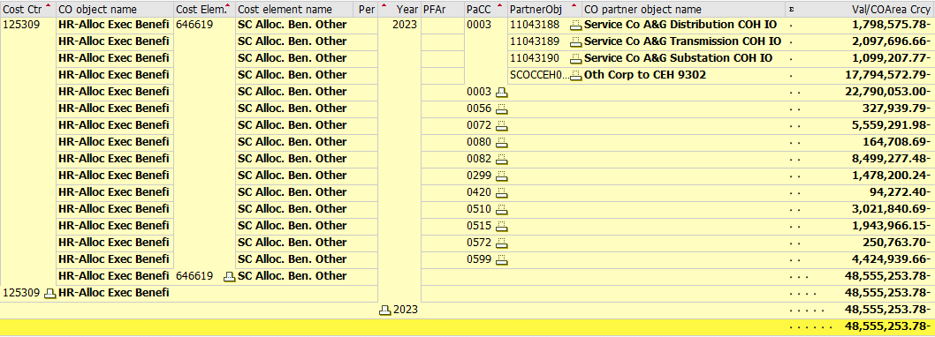
 |  |  |  | 22,790,053.00 | CEHE | 46.94%
 |  |  |  | 48,555,253.78 | Total

 |  |  |  | 17,794,572.79 | O&M | 78.08%
 |  |  |  | 4,995,480.21 | Capital | 21.92%
 |  |  |  | 22,790,053.00 | Total

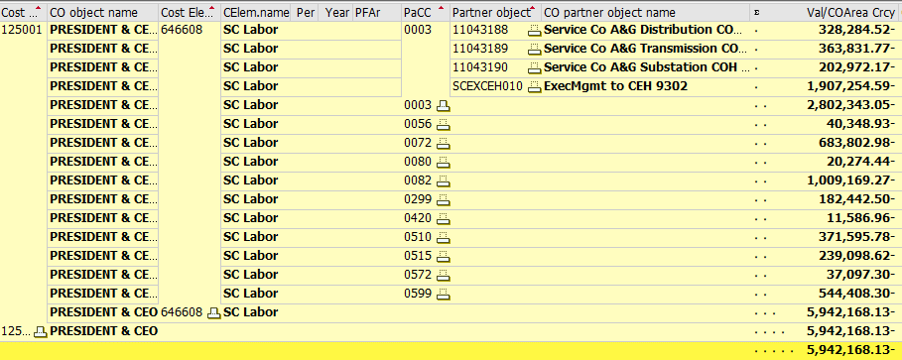
 |  |  |  |  |  |  | Labor - 125001 CEO

 |  |  |  | 1,907,254.59 | CEHE | 32.10%
 |  |  |  | 5,942,168.13 | Total

 |  |  |  | 1,907,254.59 | O&M | 68.06%
 |  |  |  | 895,088.46 | Capital | 31.94%
 |  |  |  | 2,802,343.05 | Total

 |  |  |  | Burden Rate
 |  |  |  | Benefits | 19.395%
 |  |  |  | WkComp | 0.188%
 |  |  |  | Taxes | 7.430%
 |  |  |  | Total | 27.013%

